Bug
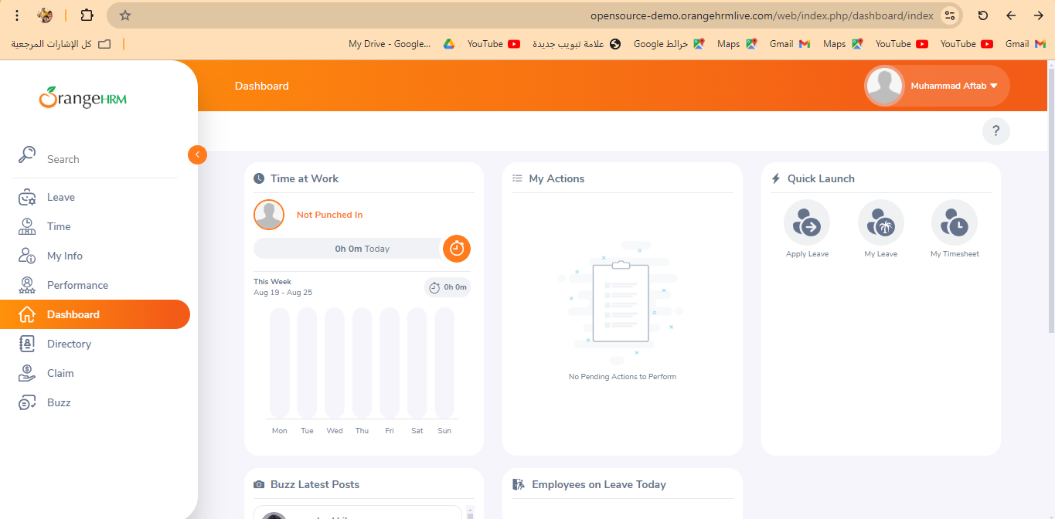
Category | Label | Value
Bug ID | ID number | BUG_001
 | Name | Valid Login while account is locked
 | Reporter | George Magdy
 | Submit Date | 2024-07-19
 | TC ID | TC_001_0001
Bug overview | Summary | when user login , website didnot take it to home page
 | URL | https://opensource-demo.orangehrmlive.com/web/index.php/auth/login
 | Screenshot (Evidence) | N/A
Environment | Platform | DELL Precision
 | Operating System | Windows11
 | Browser | Chrome V10.1
Bug details | Steps to reproduce | Simplified steps for the testcase
 | Expected result | GO to Home page
 | Actual result | GO to Dashboard page
 | Description
Bug tracking | Severity (Critical - Major -Minor) | Critical
 | Assigned to | Developer(Mohammed Magdy)
 | Priority(High - Medium - Low) | High
Notes | Notes

bug 2
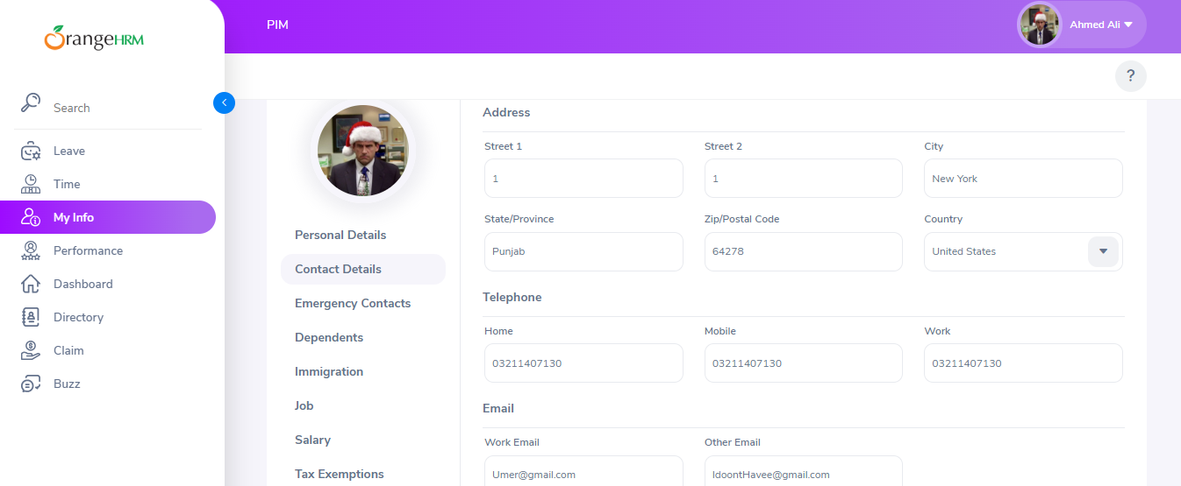
Category | Label | Value
Bug ID | ID number | BUG_002
 | Name | contect Edit
 | Reporter | George Magdy
 | Submit Date | 2024-08-22
 | TC ID | TC_04_003
Bug overview | Summary | If the country is United Sates you can select from the drop down or you need to enter it manually
 | URL | https://opensource-demo.orangehrmlive.com/web/index.php/auth/login
 | Screenshot (Evidence) | N/A
Environment | Platform | DELL Precision
 | Operating System | Windows11
 | Browser | Chrome V10.1
Bug details | Steps to reproduce | Simplified steps for the testcase
 | Expected result | select from the drop down
 | Actual result | Add manual
 | Description
Bug tracking | Severity (Critical - Major -Minor) | Critical
 | Assigned to | Developer(Mohammed Magdy)
 | Priority(High - Medium - Low) | Medium
Notes | Notes

bug 5
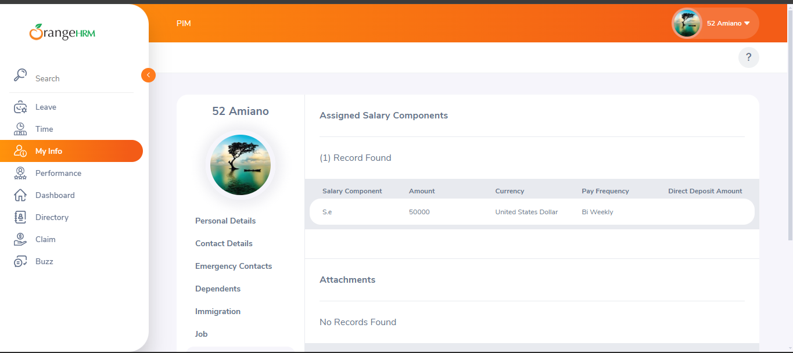
George Magdy | Label | Value
Bug ID | ID number | BUG_004
 | Name | contect Edit
 | Reporter | Ahmed Abdelmotelb Ali
 | Submit Date | 2024-08-22
 | TC ID | TC_09_003
Bug overview | Summary | salary should not appear
 | URL | https://opensource-demo.orangehrmlive.com/web/index.php/auth/login
 | Screenshot (Evidence) | N/A
Environment | Platform | DELL Precision
 | Operating System | Windows11
 | Browser | Chrome V10.1
Bug details | Steps to reproduce | Simplified steps for the testcase
 | Expected result | not appear salary
 | Actual result | appear salary
 | Description
Bug tracking | Severity (Critical - Major -Minor) | Critical
 | Assigned to | Developer(Mohammed Magdy)
 | Priority(High - Medium - Low) | High
Notes | Notes

bug 6
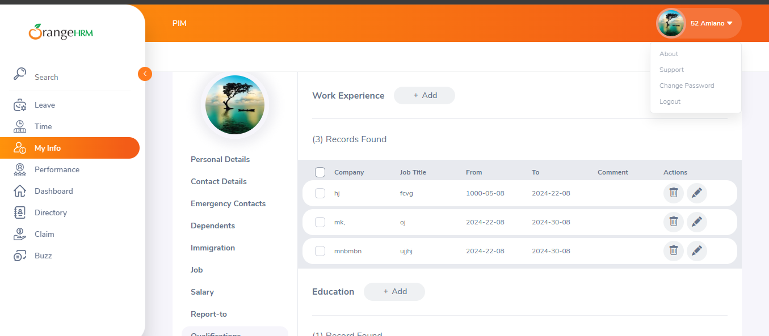
George Magdy | Label | Value
Bug ID | ID number | BUG_004
 | Name | contect Edit
 | Reporter | Ahmed Abdelmotelb Ali
 | Submit Date | 2024-08-22
 | TC ID | TC_11_016
Bug overview | Summary | data from 1000 to 2024 not happen becasuse no one life 1024 year
 | URL | https://opensource-demo.orangehrmlive.com/web/index.php/auth/login
 | Screenshot (Evidence) | N/A
Environment | Platform | DELL Precision
 | Operating System | Windows11
 | Browser | Chrome V10.1
Bug details | Steps to reproduce | Simplified steps for the testcase
 | Expected result | error Data
 | Actual result | Accept
 | Description
Bug tracking | Severity (Critical - Major -Minor) | Critical
 | Assigned to | Developer(Mohammed Magdy)
 | Priority(High - Medium - Low) | High
Notes | Notes

